WK03
Question 1 (1 point)

Saved
An equivalence relation R on a set A is said to possess
Question 1 options:
 | reflexive, antisymmetric and transitive
 | reflexive, symmetric and transitive
 | reflexive, nonsymmetric and antisymmetric
 | none of these
Question 2 (1 point)

Saved
The divisibility relation defined on a set A= {2,4,5,10,12,20,25} is
Question 2 options:
 | irreflexive
 | antisymmetric
 | not transitive
 | symmetric
Question 3 (1 point)

Saved
Relative complement of S with respect to R is defined as
Question 3 options:
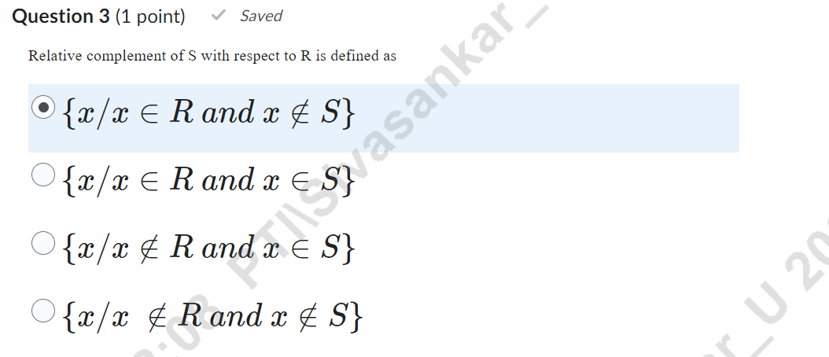
 | {�/�∈� ��� �∉�}

 | {�/�∈� ��� �∈�}

 | {�/�∉� ��� �∈�}

 | {�/� ∉� ��� �∉�}

Question 4 (1 point)

Saved
Let A+{1,2,3,4} and R be a relation on A is defined by R={(1,1),(1,2),(2,3),(3,4)}. Then the reflexive closure of R is
Question 4 options:
 | R= {(1,2),(2,1),(1,1),(2,2),(3,3)}
 | R= {(1,2),(3,3),(1,1),(3,4),(2,2),(3,3)}
 | R= {(3,3),(2,1),(1,1),(2,2),(4,4)}
 | R= {(1,1),(1,2)(2,3),(3,4),(2,2),(3,3),(4,4)}
Question 5 (1 point)

Saved
If R is a relation on A={1,2,3} such that (a,b) ∈ R if and only if a+b=even, then
is
Question 5 options:
 | {(1,3),(3,1),(3,3),(2,2)}
 | {(1,1),(3,1),(2,2)}
 | {(1,1),(3,3),(1,3)}
 | {(1,1),(1,3),(3,1),(3,3),(2,2)}
Question 6 (1 point)

Saved
.If S= {1,2,3,4,5} and if the function f: S → S is given by f= {(1,2),(2,1),(3,4),(4,5),(5,3)}, then
is
Question 6 options:
 | {(2,1),(1,2),(4,3),(4,5)}
 | {(2,1),(1,2),(3,3),(5,4),(3,4)}
 | {(2,1),(1,2),(4,3),(5,4),(3,5)}
 | {(2,1),(1,2),(4,3),(3,5)}
Question 7 (1 point)

Saved
If the relation R is reflexive, antisymmetric and transitive, then the relation R is called
Question 7 options:
 | equivalence relation
 | equivalence class
 | partial order relation
 | partially ordered set
Question 8 (1 point)

Saved
If R={(1,1),(1,3),(3,2),(3,4),(4,2)} and S={(2,1),(3,3),(3,4),(4,1)} are two relations defined on the set A={1,2,3,4}, then
is
Question 8 options:
 | {(2,2),(2,4),(3,2),(3,4),(4,1),(4,3)}
 | {(2,1),(2,3),(3,2),(3,4),(4,1),(4,3)}
 | {(2,1),(2,3),(3,3),(3,4),(4,2),(4,3)}
 | {(2,1),(2,3),(3,2),(3,4),(4,2),(4,3)}
Question 9 (1 point)

Saved
Let f: A → B and g: B → C be bijections. Then g ⃘ f is
Question 9 options:
 | a bijection
 | not a bijection
 | only surjective
 | only injective
Question 10 (1 point)

Saved
Equivalence class of 'a' is defined by
Question 10 options:
 | {�/(�,�)∈�}
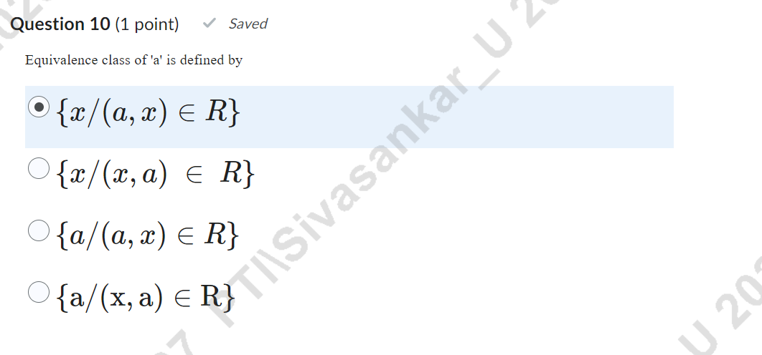
 | {�/(�,�) ∈ �}

 | {�/(�,�)∈�}

 | {a/(x,a)∈R}

